Requirements
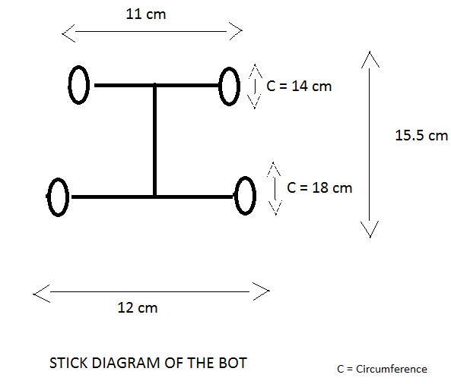
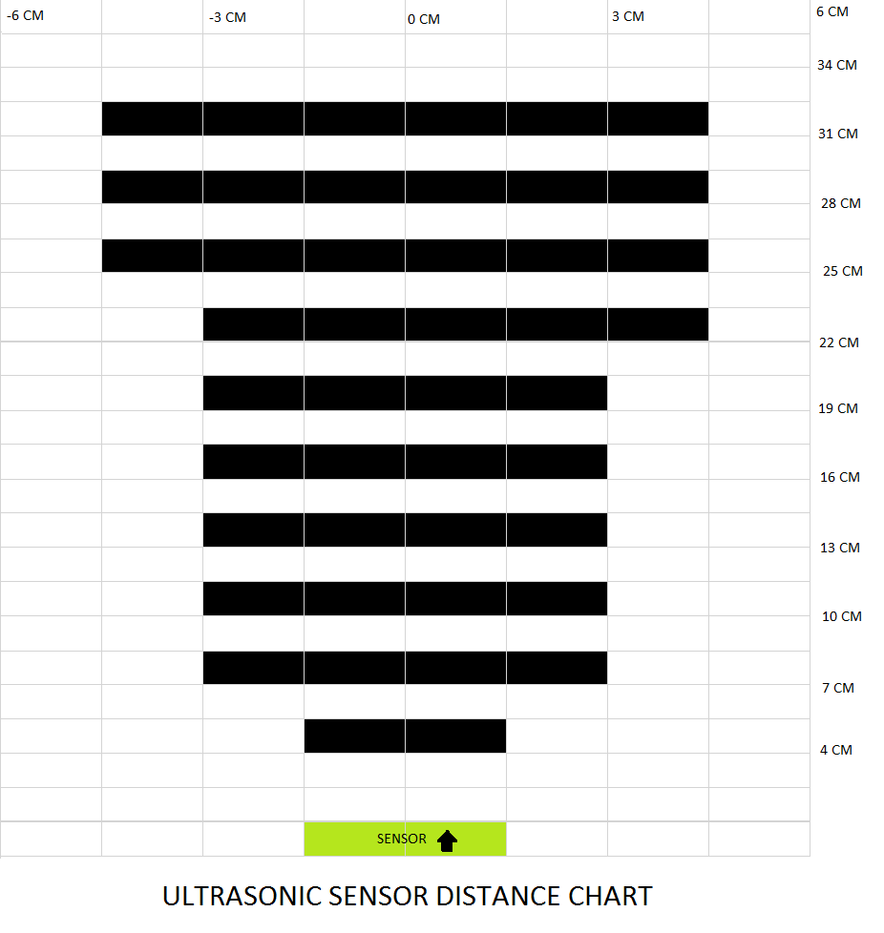
Req.ID | Feature | Requirement | Description | Responsibility | Ranking/Importance | Functional Req. ? | Associated Test ID | % Maturity | Severity of Fall-out [1, 2, 3] | Probability of Fall-out [%] | Risk | Remark
Req.001 | Initial Condition | 1. Maintain the input H2 pressure to the stack to 0.45 to 0.55 bar 2.SCU switch shall be in ON state |  | Wamique | 1 | No
Req.002 | Modes Selection | SW1 and SW2 connected to ESP32 shall determine the mode of operation | Mode of Operations for SW1 and SW2 are as follows: "00" : Manual OFF mode, irrespective of Battery SOC "01" : Automatic Mode. Based on Battery SOC, FCC shall work "10": Don't Care "11": Manual ON mode, irrespective of Battery SOC | Wamique | 1 | Yes
Req.003 | Manual OFF mode | when both switches are in OFF state ("00"), FCC shall be tuned OFF | FCC shall be tuned OFF and shall remain in this state unless mode is changed | Wamique | 1 | Yes
Req.004 | Manual ON mode | when both switches are in ON state ("11"), FCC shall be tuned ON | FCC shall be tuned ON and shall remain in this state unless mode is changed | Wamique
Req.005 | Activation of Fuel Cell System (Automatic Mode) | FCC shall be turned ON by master controller (ESP 32), when SOC of External LiPo battery falls below 20%. | FCC shall be turned ON. FC system shall start charging the LiPo Battery and simultaneously power the Load | Wamique | 1 | Yes
Req.006 | Deactivation of Fuel Cell System (Automatic Mode) | FCC shall be turned OFF by master controller (ESP32), whenever SOC of External LiPo battery is greater than 80% | FCC shall be turned OFF. FC system shall stop charging the LiPo Battery and stops power supply to load. | Wamique | 1 | No
Req.007 | Communication | FCC provide 8 bytes of data from its RS323 terminal | FCC provide information as follows: 1byte: Error Flag 2byte and 3byte: Fuel Cell Voltage 4byte and 5byte: Fuel Cell Current 6byte and 7byte: Fixed 0 8byte: Fuel Cell Temperature | Wamique | 1 | Yes
Req.008 | Automatic Shutdown of Fuel cell system | Fuel cell system automatically shut off, if defined error occurs | Defined Errors Flags: 1. Manually Turned Off (0x08) 2. Low Power Supply (11V) to FCC (0x04) 3. Fuel Cell voltage less than 30V (0x07) 4. Fuel Cell High Current than 16A (0x03) 5. Fuel cell temp. higher than 62 C (0x01) | Wamique | 1 | Yes
Req.009 | LCD Display | LCD is connected with the FCC and displays the current, voltage, temp. and errors of the fuel cell system | Displays data on LCD | Wamique | 2 | No
Req.010 | No Load Condition
Req.011 | Power Supply (DC-DC Converter) for load | DC-DC Boost Converter shall convert the 14.8V from the battery to 24V for feeding load. | DC-DC 10-60V to 12-97V 1500W 30A Voltage Up Converter Boost CC CV Current rating:30Amps | Hossein | 1 | yes
Req.012 | Power Supply (DC-DC Converter) for load | DC-DC Buck Converter shall convert the 40V from the battery to 24V for feeding load. | input voltage range from 6V to 40V, the downward converter can accurately adjust the output voltage and current 96% high conversion efficiency, professional and time-saving to convert 24V to 12V | Hossein | 1 | yes
Req.013 | Power Supply (DC-DC Converter) for ESP32 | DC-DC Buck Converter shall convert the 14.8V from the battery to 24V for feeding ESP32. | (Information are from datasheet LM2596S)Input voltage: 4.5 - 40 V / Output voltage: adjustable 3.3 - 37 V. Input of DC-DC converter recieve 14.8V and ESP32(main MCU) connects to output of DC-DC converter. ESP32 needs 5V for working. So, Output voltage of DC-DC converter shall be 5V. | Hossein | 1 | yes
Req.014 | Swetup Schottky Diode | Schottky diode shall make a one directional way for current. | (Negetive pin to PMC and positive pin to DC/DC converter.)Schottky Diode 30 A 50 V Axial 30SQ050, maximum recurring peak lock voltage: 50V. Current Rating: 30Amps | Hossein | 1 | no
Req.015 | ESP32 | ESP32 shall recieve data by USART and recieve data by I2C protocol. Moreover, ESP32 shall send command by GPIOs. Also shall send data by WIFI based on MQTT protocol. | AZDelivery ESP32 NodeMCU Module WLAN WiFi Dev Kit C Development Board with CP2102 (Successor Model to ESP8266) Compatible with Arduino and Includes E-Book | Hossein | 1 | no
Req.016 | GUI | GUI shall works with MQTT protocol for monitoring. | MQTT is a protocol which is used for making connection between ESP32 and local host. | Hossein | 1 | no
Req.017 | DC-DC Fuel cell controller | DC/DC converter shall be able to regulate Batteries Output voltage(14.8V) into input voltage(13V) that Fuel Cell controller needed. | Power Supply Buck Converter DC-DC Converter Module, DC-DC Buck Down Converter Adjustable Power Supply Module 6.5V-60V to 1.25-30V Current Rating: 10Amps | Zahra | 1 | Yes
Req.018 | Control Software | ESP32 shall controll the function of the system by interperting data it recieves from I/O. PMC1 is connected to Fuel Cell PMC2 is connected to Battery Inputs: BMS, Fuel cell controller, Switches. Outputs: PMC 1, PMC 2, Relay | The Battery SOC from BMS is the input for ESP32 | Zahra & Arvin | 1 | No
Req.019 | Control Software | When SOC of a battery falls below 20%, We shall turn ON the FCC to supply power to LOAD and Charge the Battery. | The Battery SOC from BMS is the input for ESP32 if the SOC is below 20% then: 1. Relay will be on for 2 sec to turn on the FCC 2. After 5sec, PMC2 will be OFF 3. PMC 1 will be ON | Zahra & Arvin | 1 | Yes
Req.020 | Control Software | When SOC of a battery falls is above 80%, We shall turn OFF the FCC to and supply Power from the Battery. | When the battries Charged above 80%: 1. Relay will be ON for 2 sec to turn Off the Fuel Cell 2. PMC 1 will be OFF 3. PMC 2 will be ON | Zahra & Arvin | 1 | Yes
Req.021 | PCBOverall PCB Design | The PCB shall contains 2 PMC circuits and the relay circuit as well as femail footprints for mounting the ESP32 module. | 1.Terminal Blocks Conector, 2pin (6) 3pin (1) 2.Resistors: 10k(4)+ 100Ohm(2)+575Ohm(2)+ 1K(1) 3.Relay, JQC-3f 10A,5VDC (1) 4. BC547 (3) 5. 1N4007 (1) 6. LED (1 Green), (1 Red) 7. Mosfet RF1S9540(2) 8. Diode 1N4733 (2) PCB Description 1.Max 105um Copper outer layers. 2. Max 70um Copper iner layers. 3. Minimum Thickness 0.5mm 4. Max 150*100 mm | Zahra | 1 | Yes
Req.022 | POWER MOSFET CONTROLLER(PMC) | When the GPIO is high(3.3v) then given input voltage at source shall routes to output(load). | Output PMC 14.8V as input and shall give outputs 14.8V and further the output is connected to dc-dc converter.When the Battery SOC is less than 20% then PMC Switch connected to BMS will turn OFF and turn ON the PMC connected to fuel cell | Sanket | 1 | Yes
Req.023 | POWER MOSFET CONTROLLER(PMC) | When the GPIO is low(0v) then input supply voltage shall routes to source but shall produce no voltage at output. | Output PMC takes 36V as input and shall give outputs 36 V and further the output is connected to dc-dc converter.When the battery is getting charged and when the SOC is more than 80% then it connect back to BMS. | Sanket | 1 | Yes
Req.024 | BATTERY Voltage | Battery shall have a pack voltage of 14.8 V | The battery shall provide the output of 14.8V to run the load. | Mohammed Saifur Rehman (39416) | 1 | No
Req.025 | Cell Voltage | Each cell shall have a nominal voltage of 4.2V | The cell voltage shall be between 3V to 4.2V, When the cell voltage is below 3V the cell must be charged. | Mohammed Saifur Rehman (39416) | 2 | No
Req.026 | BATTERY Current | The Battery shall deliver a nominal current of 6.6A and peak current of 25A. | The battery shall provide a nominal output current of 6.6A and 25A peak current to run the load. | Mohammed Saifur Rehman (39416)
Req.027 | BMS Cell Monitoring | BMS shall monitor each cell for overcurrent and undervoltage | BMS shall protect the cells and battery from overcurrent and undervoltage condition | Mohammed Saifur Rehman (39416)
Req.028 | BMS discharge current | The BMS shall provide a continous discharge current of 10A and Peak at 25A | BMS shall discharge using the balancing function to avoid cell voltage imbalance | Mohammed Saifur Rehman (39416)
Req.029 | BMS measurement | BMS shall measurement for battery voltage, individual cell current, battery current. | Battery current and battery voltage shall be measured for State of Charge calculation on ESP32, the SOC is used for charging decision | Mohammed Saifur Rehman (39416)
Req.030 | charging of the Li-ion battery | The charger shall be capable of charging the battery safely and reliably | Whenever the battery SOC falls below a certain level (i.g. 20%) the charger starts charging the battery (the timing will be controlled by the ESP32). The procedure is as follows: Charging a lithium-ion battery properly requires two stages: constant current (CC) charging and constant voltage (CV) charging. To raise the voltage to the end-of-charge voltage level, a CC charge is first applied. Following the achievement of the desired voltage, CV charging starts, and the current drops. The charge is complete when the current is too low, and it needs to be cut off. | Arvin | 1 | No

